pq
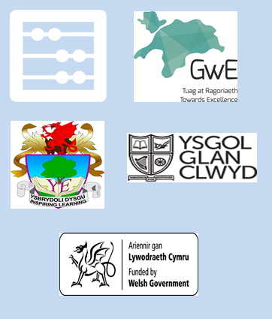
Find all the factors of

 | 6

Answer: |  | 1 | 2 | 3 | 6

