Two questions
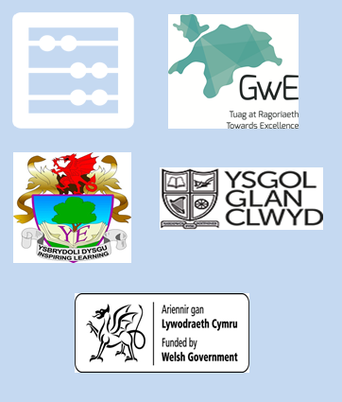
Each of the digits

6 | , | 9 | , | 4 | and | 1

is used once to make a four-digit number.

(a) What is the |  | largest | number that can be made? |  |  |  | 9641

(b) What is the |  | smallest | even | number that can be made? |  |  | 1496

