Four questions
Using only the numbers in the following list
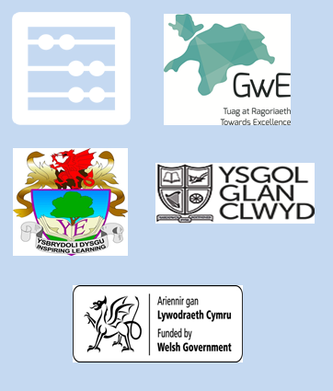
36 | 32 | 69 | 54 | 87 | 81 | 30

Choose:

(a) Two numbers that have a sum of |  |  |  | 84

(b) Two numbers that differ by |  |  | 51

(c) A multiple of |  | 8

(d) A square number

